Description
Presented by Dr. Sam L. Savage
at
the 107th Annual Conference
of the
Government Finance Officials Association
San Francisco, 2013
Model by Sam L. Savage and Shayne Kavanagh
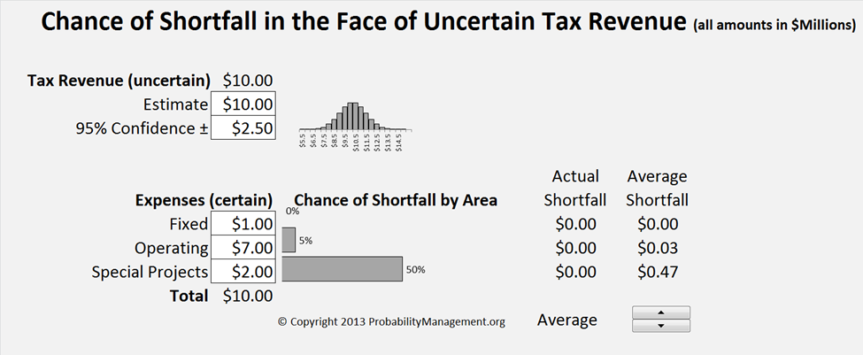
Specify Uncertainty in Tax Revenue
Specify Expenses
View Chance of Shortfall and Average Shortfall
View Chance of Shortfall and Average Shortfall

This model demonstrates the potential use of Probability Management in financial planning. It calculates the chance of shortfall of three prioritized levels of financial obligation in the face of uncertain tax revenue. Level 1 is assumed to be fixed payments on debt that hold the highest priority. The next priority is comprised of operating expenses such as police and fire. Finally special projects, such as a new library make up the lowest priority. The estimated tax revenue and 95% confidence interval, along with the expenses are entered as inputs. 10,000 revenue scenarios are then instantly run through the model, resulting in an estimate of the chance of shortfall and average shortfall by area.
The Model was created using the SIPmath™ Modeler Tools from ProbabilityManagement.org. See http://viewer.zmags.com/publication/90ffcc6b#/90ffcc6b/29 and www.ProbabilityManagement.org for more information.

Sam L. Savage is the Executive Director of ProbabilityManagement.org, author of The Flaw of Averages - Why we Underestimate Risk in the Face of Uncertainty, and Consulting Professor at Stanford University

Shayne Kavanagh is Senior Manager, Research & Consulting , Government Finance Officers Association
© Copyright 2013, ProbabilityManagement.org

Experiments
Assume this uncertain estimate in tax revenues
Experiment 1

Experiment with expense levels and observe the chance of default and average shortfall
Scroll to see actual shortfall under various of the 10,000 scenarios

Experiment with the level and uncertainty of the forecast and observe the chance of default and average shortfall
Experiment 2

Assume fixed expenses

Model
Chance of Shortfall in the Face of Uncertain Tax Revenue (all amounts in $Millions)
 | Tax_Revenue histogram
5.5 | 0.0002
6.0 | 0.0005
6.5 | 0.0019
7.0 | 0.0056
7.5 | 0.0146
8.0 | 0.032
8.5 | 0.0603
9.0 | 0.0968
9.5 | 0.1327
10.0 | 0.1554
10.5 | 0.1554
11.0 | 0.1327
11.5 | 0.0968
12.0 | 0.0603
12.5 | 0.032
13.0 | 0.0146
13.5 | 0.0056
14.0 | 0.0019
14.5 | 0.0005
15.0 | 0.0002
 | 0
Tax Revenue (uncertain) | $10.00
Estimate | $10.00
95% Confidence ± | $2.50

Fixed | 50%
Ops | 5%
SP | 0%
 | Expenses (certain) | Chance of Shortfall by Area | Actual Shortfall | Average Shortfall
Fixed | $1.00 |  | $0.00 | $0.00
Operating | $7.00 |  | $0.00 | $0.03
Special Projects | $2.00 |  | $0.00 | $0.47
Total | $10.00
 |  | © Copyright 2013 ProbabilityManagement.org | Average

